Sheet1
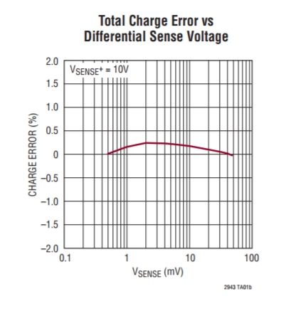
Accumulated charge error at range of currents with shunt resistor of .003ohms
Current | Voltage drop across resistor | Average Current | Run Time | LTC measured mAh | Load measured mAh | Measured error | Esitmated error from datasheet
.33A | 1mv |  | 1090 s | 97.55 | 100mAh | 2.45% | 0.20%
1A | 3mv |  |  |  |  |  | 0.30%
3.33A | 10mv |  |  |  |  |  | 0.20% | Estimated error
10A | 30mv |  |  |  |  |  | 0% | 1A power draw
 |  |  |  |  |  |  |  | 3mv voltage drop

